Bug Report
Bug Report

Column 1 | Column 2
Project Name | Order Information functionality
Clint Name | TutorialsNinja
URL | https://tutorialsninja.com/demo/index.php?route=account/login
Created by | Sanika Hole
Creation Date | 2024-08-30
Approval Date | 2024-08-31

Column 1 | Column 2 | Column 3 | Column 4 | Column 5 | Column 6 | Column 7 | Column 8 | Column 9 | Column 10 | Column 11
Bug ID | Priority | Description/Bug Summery | Pre-requisites | Bug Steps | Excepted Result | Actual Result | Status | Test Excuition by | Browsers | Screenshot
BG_001 | High | The login page does no display validation message when invalid credentials are entered.There is also an issue with the alignment of elements on the homepage. | Access the https://tutorialsninja.com/demo/ in this website. | 1.To navigate the https://tutorialsninja.com/demo/ website homepage. 2.Click on "My Account" and select "Login". 3.On the login page,enter invalid credentials in the "E-mail Address" and "Password"fields 4.Click the "Login button. | 1,The homepage elements should be properly aligned and appear clean without overlapping or misalignment. 2.Upon entering invalid credentials a validation message should be displayed indicating that the displayed indication that the credentials are incorrect. | 1.Some homepage elements appear misaligned. 2.No validation message is displayed upon entering invalide Credentials. | Pass | Sanika | Google Chrome | 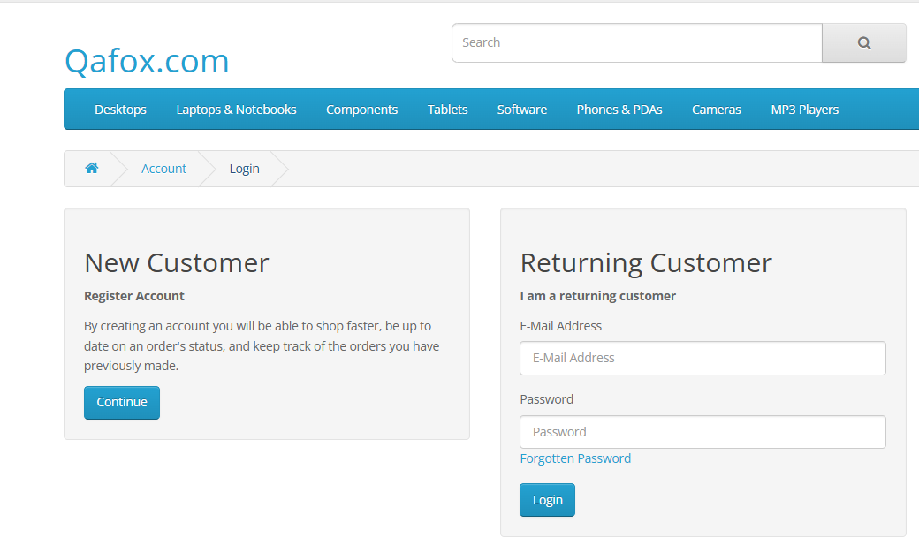
BG_002 | Low | The login page does no display validation message when invalid credentials are entered.There is also an issue with the alignment of elements on the homepage. | Access the https://tutorialsninja.com/demo/ in this website. | 1.To navigate the https://tutorialsninja.com/demo/ website homepage. 2.Click on "My Account" and select "Login". 3.On the "Login button" | 1.The homepage elements should be properly aligned and appear clean without overlapping or misalignment 2.Upon entering valide credentials a validation message should be displayed indicating that the displayed indicating that the credentials are correct | 1.Some homepage elements appear misaligned. 2.No validation message is displayed upon entering invalide Credentials. | Fail | Sanika | Google Chrome | 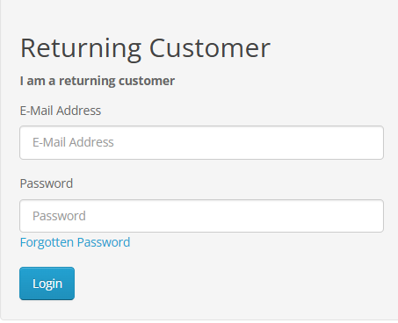
BG_003 | Medium | Misalignment of the "Featured Products" section on the homepage causing the products to improperly spaced | Access the https://tutorialsninja.com/demo/ in this website homepage. | 1.Navigate to the https://tutorialsninja.com/demo/ homepage 2.Observe the "Featured Products" section. | The featured product should be aligned properly with consistent spacing | The product in the "Featured Products"section are misligned with inconsistent spacing. | Fail | Sanika | Google Chrome | 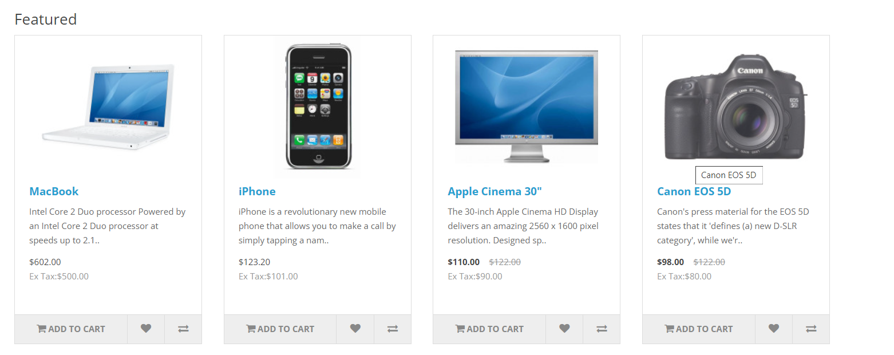
BG_004 | High | No validation message displayed when invalid login credentials are entered. | Access the https://tutorialsninja.com/demo/ Login page | 1.Navigate to the https://tutorialsninja.com/demo/ homepage 2.Click on"My Account" and select "Login 3.Click Login. | An error message is displayed when invalid credentials are entered | No Error message is displayed when invalid credentials are entered. | Fail | Sanika | Google Chrome | 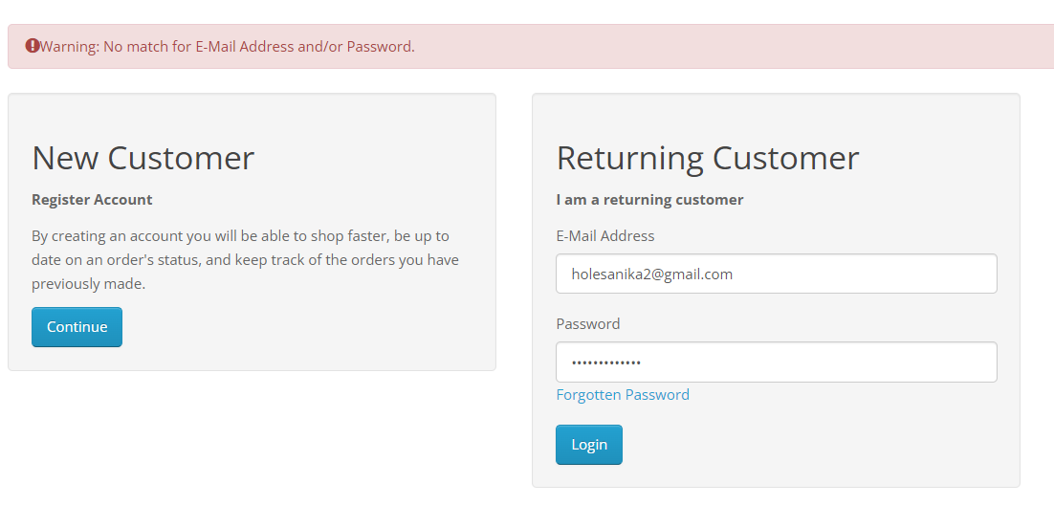
BG_005 | Low | Redundant navigation option on the login page sidebar. | Access the https://tutorialsninja.com/demo/ login page | 1.Navigate to the https://tutorialsninja.com/demo/ homepage 2.Click on "My Account" and select "Login 3.Observe the right sidebar on the login page. | The sidebar should contain essential navigation options with no redundancy. | The sidebar contain redundant option shuch as"Login" and Register", which are already available on the main login form. | Pass | Sanika | Google Chrome | 
BG_006 | Medium | The currency selection dropdown on the homepage is not functioning. | Access the https://tutorialsninja.com/demo/ login page | 1.Navigate to the https://tutorialsninja.com/demo/ homepage. 2.Click on the "Currency" dropdown in the top left cornar. | The dropdown should display available currency option and allow the user to select one. | The currency dropdown does not display any options when clicked. | Fail | Sanika | Google Chrome
BG_007 | High | The "My Account" link redirects to the login page even when the user is logged in | User must be logged into their account | 1.Log into your account om https://tutorialsninja.com/demo/ 2.Click on "My Account"in the top right corner. | The "My Account" link should redirect to the account dashboard. | The "My Account" link redirects back to the login page, even when the useris logged in. | Pass | Sanika | Google Chrome
BG_008 | High | The login page lacks visible security measures, to prevent automated login attempts | Access the https://tutorialsninja.com/demo/ login page | 1. Navigate to the https://tutorialsninja.com/demo/ homepage 2.Click on "My Account" and select "Login | Similar security measure should be present to prevent automated attacks. | The login page does not contain any visible security measures. | Fail | Sanika | Google Chrome
BG_009 | Medium | The "Add to wishlist" button on the homepage does not function when clicked. | Access the https://tutorialsninja.com/demo/ homepage | 1.Navigate to the https://tutorialsninja.com/demo/ homepage. 2.Click on the "Add to wishlist" button below any product in the "Featured products" section. | The product should be added to the wishlist. | Clicking the "Add to Wishlist" button does not perfom any action. | Fail | Sanika | Google Chrome | 
BG_010 | Low | Serveral links in the footer of the homepage are broken and lead to error message | Access the https://tutorialsninja.com/demo/ homepage | 1.Navigate to the https://tutorialsninja.com/demo/ homepage 2.Scroll down to the footer and click on any of the information links. | The links should redirect to the correct page. | Clicking on some links leads to error page | Fail | Sanika | Google Chrome | N/A
BG_011 | Medium | Serveral links in the footer of the homepage are broken and lead to error message | Access the https://tutorialsninja.com/demo/ homepage | 1.Navigate to the https://tutorialsninja.com/demo/ homepage 2.Scroll down to the footer and click on any of the information links. | The links should redirect to the correct page. | It's show that the correct page | Pass | Sanika | Google Chrome
BG_012 | Medium | Misalignment in fetured products section | Access the https://tutorialsninja.com/demo/ homepage | 1.Scroll to featured products. 2.Observe alignment. | Proper alignment of product | Misaligned product tiles | Pass | Sanika | Google Chrome | N/A
BG_013 | Low | Broken links in footer | Access the https://tutorialsninja.com/demo/ homepage | 1. Click on footer links 2.Observe navigation | Links redirect to appropriate pages | error on some links | Fail | Sanika | Google Chrome
BG_014 | High | Currency dropdown not functional | Access the https://tutorialsninja.com/demo/ homepage | 1.Click on the Currency dropdown. 2.Observe the options. | Currency options should be displayed | No option displayed | Fail | Sanika | Google Chrome | N/A
BG_015 | Medium | Misalignment in Featured Products section | Access the https://tutorialsninja.com/demo/ homepage | 1. Scroll to Featured Products 2.Obseve alignment. | Proper alignment of products | Misaligned product tiles | Fail | Sanika | Google Chrome | N/A
BG_016 | High | My Account redirect issue after login. | Access the https://tutorialsninja.com/demo/login page. | 1. Click My Account 2.Observe redirection. | Redirect to account dashboard | Redirect to login page. | Pass | Sanika | Google Chrome
BG_017 | Medium | Wishlist button inactive on homepage. | Access the https://tutorialsninja.com/demo/ homepage | 1.Click add to wishlist 2.Observe functionality. | Product add to the wishlist | Add the product wishlist. | Pass | Sanika | Google Chrome
BG_018 | High | Missing security measures on login page. | Access the https://tutorialsninja.com/demo/login page. | 1.Observe the security features 2.Attempt login. | Security feature presents. | See the security features are present or not | Pass | Sanika | Google Chrome
BG_019 | Medium | To verify the rewared function | Access the https://tutorialsninja.com/demo/login page. | 1.Click the order history 2.See the rewared function. | To see the function | The rewared function see that | Pass | Sanika | Google Chrome
BG_020 | Low | To verify the search bar function | Access the https://tutorialsninja.com/demo/login page. | 1.Open the homepage 2.See the search bar | To see that the search bar | Show the search bar function | Pass | Sanika | Google Chrome

